Bill-of-Materials
Equipo # | 4

Componente | MCU I/O? | Función | Nombre en documentación | MCU Port and Pin | S32K144EVB Header and Pin | Totales MCU I/Os
Push-button SW2 de tarjeta de desarrollo | Digital Input | Window Control | OPEN_BTN | PTC12 (Btn_Window_Open) | J2-10 | MCU Digital Inputs | 17
Push-button SW3 de tarjeta de desarrollo | Digital Input | Window Control | CLOSE_BTN | PTC13 (Btn_Window_Close) | J2-12 | MCU Digital Outputs | 12
Push-button externo | Digital Input | Window Control | PASSENGER_OPEN_BTN | PTB6 (Btn_Passenger_Open) | J3-02 | MCU Analog Input | 1
Push-button externo | Digital Input | Window Control | PASSENGER _CLOSE_BTN | PTB7 (Btn_Passenger_Close) | J3-04
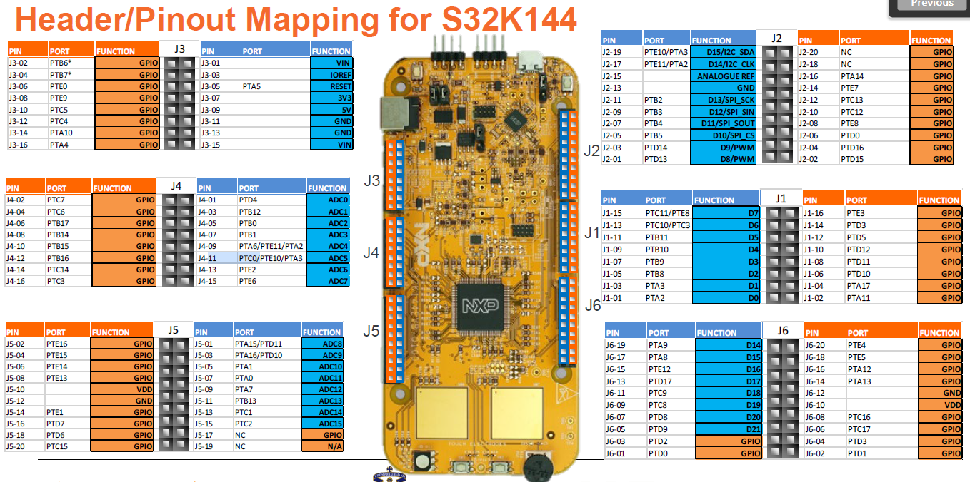
Push-button externo | Digital Input | Window Control | REARLEFT_OPEN_BTN | PTE0 (Btn_RearLeft_Open) | J3-06
Push-button externo | Digital Input | Window Control | REARLEFT _CLOSE_BTN | PTE9 (Btn_RearLeft_Close) | J3-08
Push-button externo | Digital Input | Window Control | REARRIGHT_OPEN_BTN | PTC5 (Btn_RearRight_Open) | J3-10
Push-button externo | Digital Input | Window Control | REARRIGHT _CLOSE_BTN | PTC4 (Btn_RearRight_Close) | J3-12
Dip-switch externo | Digital Input | Window Control | REAR_WINDOW_LOCK_BTN | PTA10 (Btn_Window_Lock) | J3-14
Potenciómetro POT de la tarjeta de desarrollo. | Analog Input | Window Control | ANTIPINCH_SIGNAL | PTC14 (POT_Brd) | J4-14
LED (barra de LEDs) | Digital output | Window Position | WINDOW_LED1 | PTE3 (Window_LED1) | J1-16
LED (barra de LEDs) | Digital output | Window Position | WINDOW_LED2 | PTD3 (Window_LED2) | J1-14
LED (barra de LEDs) | Digital output | Window Position | WINDOW_LED3 | PTD5 (Window_LED3) | J1-12
LED (barra de LEDs) | Digital output | Window Position | WINDOW_LED4 | PTD12 (Window_LED4) | J1-10
LED (barra de LEDs) | Digital output | Window Position | WINDOW_LED5 | PTD11 (Window_LED5) | J1-08
LED (barra de LEDs) | Digital output | Window Position | WINDOW_LED6 | PDT10 (Window_LED6) | J1-06
LED (barra de LEDs) | Digital output | Window Position | WINDOW_LED7 | PTA17 (Window_LED7) | J1-04
LED (barra de LEDs) | Digital output | Window Position | WINDOW_LED8 | PTA11 (Window_LED8) | J1-02
LED (barra de LEDs) | Digital output | Window Position | WINDOW_LED9 | PTA12 (Window_LED9) | J6-16
LED (barra de LEDs) | Digital output | Window Position | WINDOW_LED10 | PT13 (Window_LED10) | J6-14
Entrada puenteada del último LED (LED10) de la barra de LEDs | Digital Input | Window Position | SW_WINDOW_CLOSE | PTA8 (Window_Closed) | J6-17
Entrada puenteada del primer LED (LED1) de la barra de LEDs | Digital Input | Window Position | SW_WINDOW_OPEN | PTC11 (Window_Open) | J1-15
Push-button externo | Digital Input | Door Locking | LOCK_BTN | PTA9 (Btn_Lock) | J6-19
Push-button externo | Digital Input | Door Locking | UNLOCK_BTN | PTE12 (Btn_Unlock) | J6-15
Entrada puenteada del LED rojo of the S32k144 EVB | Digital Input | Door Locking Status | SW_DOOR_LOCKED | PTD13 (Door_Locked) | J2-01
Entrada puenteada del LED verde of the S32k144 EVB | Digital Input | Door Locking Status | SW_DOOR_UNLOCKED | PTD14 (Door_Open) | J2-03
LED rojo de la tarjeta de desarrollo | Digital output | Door Locking Status | RGB LED ROJO -> Door Locking Status == DOOR_LOCKED | PTD15 (LED_Red) | J2-02
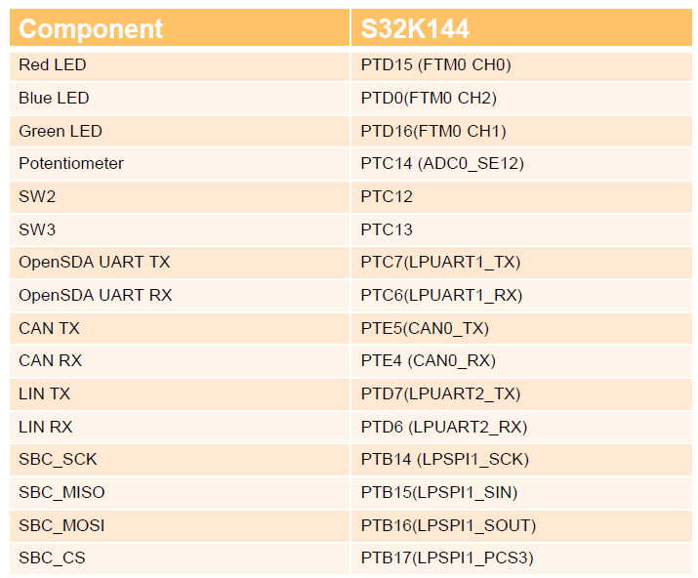
LED verde de la tarjeta de desarrollo | Digital output | Door Locking Status | RGB LED VERDE -> Door Locking Status == DOOR_UNLOCKED | PTD16 (LED_Green) | J2-04
Dip-switch externo | Digital Input | SW Variant | Dip-switches para determinar la variante de HW: 00 - Driver Door 01 - Passenger Door 10 - RearLeft Door 11 - RearRight Door | PTD8 (HW_Variant0) PTD9 (HW_Variant1) | J6-07 J6-05
Dip-switch externo | Digital Input | SW Variant |  | PTD2 (HW_Variant2) PTD0 (HW_Variant3) | J6-03 J6-01

Lista mínima de materiales requeridos
Componente | Cantidad | Comentario
LEDs externos | 10 | Puede ser una barra de LEDs ya integrada.
Resistencias para los LEDs externos, etc. | varios
Dip-Switches externos | 3
Push-Buttons externos | 8
Protoboard(s) | varios
Cables/Alambres | varios
Pinzas, Cutter, etc. | varios
Fuente de alimentación de 12 V compatible con la tarjeta de evaluación. | 1
Connector DB-9 hembra (Opcional) | 1 | Opcional si se quiere elaborar un conector DB-9 desde el módulo Microchip CAN Bus Analyzer a la tarjeta de desarrollo S32K144.
Cautín, soldadura, termofit, "headers" hembra (opcional) | varios | Opcional si se quiere elaborar un conector DB-9 desde el módulo Microchip CAN Bus Analyzer a la tarjeta de desarrollo S32K144.

